Q 13
Apply a conditional formatting to find the Duplicate values based on Emp Code records and Highlight only the 2nd duplicate entry with Green color. Remember complete line/record has to be colored. (You can refer the image from Column O)

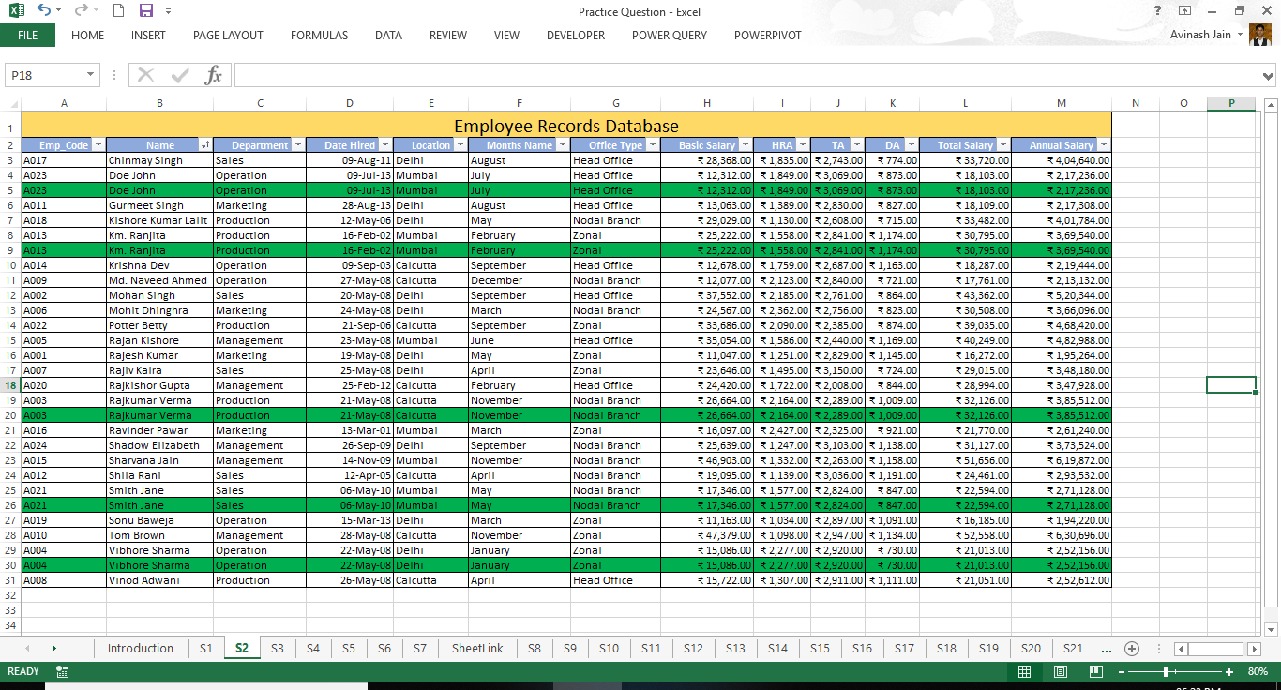
Employee Records Database
Emp_Code | Name | Department | Date Hired | Location | Months Name | Office Type | Basic Salary | HRA | TA | DA | Total Salary | Annual Salary
A017 | Chinmay Singh | Sales | 9-Aug-11 | Delhi | August | Head Office | ₹ 28,368.00 | ₹ 1,835.00 | ₹ 2,743.00 | ₹ 774.00 | ₹ 33,720.00 | ₹ 404,640.00
A023 | Doe John | Operation | 9-Jul-13 | Mumbai | July | Head Office | ₹ 12,312.00 | ₹ 1,849.00 | ₹ 3,069.00 | ₹ 873.00 | ₹ 18,103.00 | ₹ 217,236.00
A023 | Doe John | Operation | 9-Jul-13 | Mumbai | July | Head Office | ₹ 12,312.00 | ₹ 1,849.00 | ₹ 3,069.00 | ₹ 873.00 | ₹ 18,103.00 | ₹ 217,236.00
A011 | Gurmeet Singh | Marketing | 28-Aug-13 | Delhi | August | Head Office | ₹ 13,063.00 | ₹ 1,389.00 | ₹ 2,830.00 | ₹ 827.00 | ₹ 18,109.00 | ₹ 217,308.00
A018 | Kishore Kumar Lalit | Production | 12-May-06 | Delhi | May | Nodal Branch | ₹ 29,029.00 | ₹ 1,130.00 | ₹ 2,608.00 | ₹ 715.00 | ₹ 33,482.00 | ₹ 401,784.00
A013 | Km. Ranjita | Production | 16-Feb-02 | Mumbai | February | Zonal | ₹ 25,222.00 | ₹ 1,558.00 | ₹ 2,841.00 | ₹ 1,174.00 | ₹ 30,795.00 | ₹ 369,540.00
A013 | Km. Ranjita | Production | 16-Feb-02 | Mumbai | February | Zonal | ₹ 25,222.00 | ₹ 1,558.00 | ₹ 2,841.00 | ₹ 1,174.00 | ₹ 30,795.00 | ₹ 369,540.00
A014 | Krishna Dev | Operation | 9-Sep-03 | Calcutta | September | Head Office | ₹ 12,678.00 | ₹ 1,759.00 | ₹ 2,687.00 | ₹ 1,163.00 | ₹ 18,287.00 | ₹ 219,444.00
A009 | Md. Naveed Ahmed | Operation | 27-May-08 | Calcutta | December | Nodal Branch | ₹ 12,077.00 | ₹ 2,123.00 | ₹ 2,840.00 | ₹ 721.00 | ₹ 17,761.00 | ₹ 213,132.00
A002 | Mohan Singh | Sales | 20-May-08 | Delhi | September | Head Office | ₹ 37,552.00 | ₹ 2,185.00 | ₹ 2,761.00 | ₹ 864.00 | ₹ 43,362.00 | ₹ 520,344.00
A006 | Mohit Dhinghra | Marketing | 24-May-08 | Delhi | March | Nodal Branch | ₹ 24,567.00 | ₹ 2,362.00 | ₹ 2,756.00 | ₹ 823.00 | ₹ 30,508.00 | ₹ 366,096.00
A022 | Potter Betty | Production | 21-Sep-06 | Calcutta | September | Zonal | ₹ 33,686.00 | ₹ 2,090.00 | ₹ 2,385.00 | ₹ 874.00 | ₹ 39,035.00 | ₹ 468,420.00
A005 | Rajan Kishore | Management | 23-May-08 | Mumbai | June | Head Office | ₹ 35,054.00 | ₹ 1,586.00 | ₹ 2,440.00 | ₹ 1,169.00 | ₹ 40,249.00 | ₹ 482,988.00
A001 | Rajesh Kumar | Marketing | 19-May-08 | Delhi | May | Zonal | ₹ 11,047.00 | ₹ 1,251.00 | ₹ 2,829.00 | ₹ 1,145.00 | ₹ 16,272.00 | ₹ 195,264.00
A007 | Rajiv Kalra | Sales | 25-May-08 | Delhi | April | Zonal | ₹ 23,646.00 | ₹ 1,495.00 | ₹ 3,150.00 | ₹ 724.00 | ₹ 29,015.00 | ₹ 348,180.00
A020 | Rajkishor Gupta | Management | 25-Feb-12 | Calcutta | February | Head Office | ₹ 24,420.00 | ₹ 1,722.00 | ₹ 2,008.00 | ₹ 844.00 | ₹ 28,994.00 | ₹ 347,928.00
A003 | Rajkumar Verma | Production | 21-May-08 | Calcutta | November | Nodal Branch | ₹ 26,664.00 | ₹ 2,164.00 | ₹ 2,289.00 | ₹ 1,009.00 | ₹ 32,126.00 | ₹ 385,512.00
A003 | Rajkumar Verma | Production | 21-May-08 | Calcutta | November | Nodal Branch | ₹ 26,664.00 | ₹ 2,164.00 | ₹ 2,289.00 | ₹ 1,009.00 | ₹ 32,126.00 | ₹ 385,512.00
A016 | Ravinder Pawar | Marketing | 13-Mar-01 | Mumbai | March | Zonal | ₹ 16,097.00 | ₹ 2,427.00 | ₹ 2,325.00 | ₹ 921.00 | ₹ 21,770.00 | ₹ 261,240.00
A024 | Shadow Elizabeth | Management | 26-Sep-09 | Delhi | September | Nodal Branch | ₹ 25,639.00 | ₹ 1,247.00 | ₹ 3,103.00 | ₹ 1,138.00 | ₹ 31,127.00 | ₹ 373,524.00
A015 | Sharvana Jain | Management | 14-Nov-09 | Mumbai | November | Nodal Branch | ₹ 46,903.00 | ₹ 1,332.00 | ₹ 2,263.00 | ₹ 1,158.00 | ₹ 51,656.00 | ₹ 619,872.00
A012 | Shila Rani | Sales | 12-Apr-05 | Calcutta | April | Nodal Branch | ₹ 19,095.00 | ₹ 1,139.00 | ₹ 3,036.00 | ₹ 1,191.00 | ₹ 24,461.00 | ₹ 293,532.00
A021 | Smith Jane | Sales | 6-May-10 | Mumbai | May | Nodal Branch | ₹ 17,346.00 | ₹ 1,577.00 | ₹ 2,824.00 | ₹ 847.00 | ₹ 22,594.00 | ₹ 271,128.00
A021 | Smith Jane | Sales | 6-May-10 | Mumbai | May | Nodal Branch | ₹ 17,346.00 | ₹ 1,577.00 | ₹ 2,824.00 | ₹ 847.00 | ₹ 22,594.00 | ₹ 271,128.00
A019 | Sonu Baweja | Operation | 15-Mar-13 | Delhi | March | Zonal | ₹ 11,163.00 | ₹ 1,034.00 | ₹ 2,897.00 | ₹ 1,091.00 | ₹ 16,185.00 | ₹ 194,220.00
A010 | Tom Brown | Management | 28-May-08 | Calcutta | November | Zonal | ₹ 47,379.00 | ₹ 1,098.00 | ₹ 2,947.00 | ₹ 1,134.00 | ₹ 52,558.00 | ₹ 630,696.00
A004 | Vibhore Sharma | Operation | 22-May-08 | Delhi | January | Zonal | ₹ 15,086.00 | ₹ 2,277.00 | ₹ 2,920.00 | ₹ 730.00 | ₹ 21,013.00 | ₹ 252,156.00
A004 | Vibhore Sharma | Operation | 22-May-08 | Delhi | January | Zonal | ₹ 15,086.00 | ₹ 2,277.00 | ₹ 2,920.00 | ₹ 730.00 | ₹ 21,013.00 | ₹ 252,156.00
A008 | Vinod Adwani | Production | 26-May-08 | Calcutta | April | Head Office | ₹ 15,722.00 | ₹ 1,307.00 | ₹ 2,911.00 | ₹ 1,111.00 | ₹ 21,051.00 | ₹ 252,612.00

